Bid Review
 | Bay Area Clean Water Agencies
 | Bid Results for Project 11-2026 SODIUM BISULFITE
 | Bid Due on February 19, 2026 4:00 PM (PDT)

 | SINGLE BID AWARD | Heimburger and Company | Univar Solutions USA LLC. | Thatcher Company of California, Inc.
Item # | BACC RECOMMENDATION | Unresponsive - none of the 2.21 Manufacturer’s Information was provided | Lowest Responsive Responsible Bidder
1 | Received via bid platform by bid deadline above | y | y | y
2 | Bids submitted on forms provided | y | y | y
3 | Must include a base unit price for each geographic area | y | y | y
4 | Additional charges for "short load" deliveries shown as a standard deviation on bid form | none | yes - see below | none
5 | References: minimum of 3 | none - provided other chemical companies | y | y
6 | Product Specification Deviations - if any, proposed specification must be attached | none | none | none
7 | Fully Executed Standard Agreement | y | y | y
8 | Fully Executed Non-Collusion Affidavit | y | y | y
9 | For potable application only: Affidavit of Compliance to AWWA and/or NSF standard or Statement by chemical manufacturer, signed on letterhead attesting to the affidavit's validity or current printout from NSF.org | not provided | y | y
10 | Representative lab analysis of the chemical prepared by reputable outside laboratory or ISO Certified | not provided | y | y
11 | Name /Address of chemical manufacturer | CalTank, Southern Ionics, Same | Univar and Sacramento AG | Sacramento AG Products
12 | Product Bulletin and Typical Properties | not provided | y | y
13 | Safety Data Sheet (SDS) | not provided | y | y
14 | Addendum/Addenda Acknowledgement | n/a | n/a | n/a
15 | Third Party Hauler? If applicable, name, address, Affidavit signed by Bidder | ? | no | Yes - Medeiros, Torres Trucking, Watson Bros
16 | Specific Deviations Noted | none | yes - see below | none

4&16 | Univar
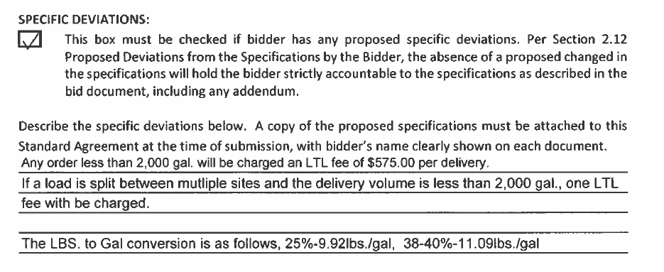

 |  |  | #11 Univar

