Bid Review
 | Bay Area Clean Water Agencies
 | Bid Results for Project 13-2026 SODIUM HYPOCHLORITE 12.5%
 | Bid Due on February 19, 2026 4:00 PM (PT)

 | REGIONAL AWARD | Pur Water LLC | DURRANI INVESTMENTS CORP | Univar Solutions USA LLC. | Olin Corporation
Item # | BACC RECOMMENDATION | Non-reponsive -prices not provided for all geographical regions | Non-responsive - provided quarterly pricing, and required bid documents not provided \ signed \ notorized | Lowest Responsive Responsible Bidder of 12.5% in Central Valley, East Bay, Marin Sonoma Napa, North Bay, Peninsula, South Bay, Tri Valley | Lowest Responsive Responsible Bidder of 12.5% and 5.25% (OBI) in Sacramento and
1 | Received via bid platform by bid deadline above | y | y | y | y
2 | Bids submitted on forms provided | y | y | y | y
3 | Must include a base unit price for each geographic area | no | y | y | y
4 | Additional charges for "short load" deliveries shown as a standard deviation on bid form | n | n | yes - see below | yes - see below
5 | References: minimum of 3 | y | y | y | y
6 | Product Specification Deviations - if any, proposed specification must be attached | none | none | none | yes -see below
7 | Fully Executed Standard Agreement | y | no - no emergency plan | y | y
8 | Fully Executed Non-Collusion Affidavit | y | no | y | y
9 | For potable application only: Affidavit of Compliance to AWWA and/or NSF standard or Statement by chemical manufacturer, signed on letterhead attesting to the affidavit's validity or current printout from NSF.org | yes | no | y | y
10 | Representative lab analysis of the chemical prepared by reputable outside laboratory or ISO Certified | y | no | y | y
11 | Name /Address of chemical manufacturer | yes - Brenntag, PoolCorp | Yes - see below | yes - K2 & Univar | yes - K2
12 | Product Bulletin and Typical Properties | y | no | y | y
13 | Safety Data Sheet (SDS) | yes | no | y | y
14 | Addendum/Addenda Acknowledgement | n/a | n/a | n/a | n/a
15 | Third Party Hauler? If applicable, name, address, Affidavit signed by Bidder | 3rd party | no | y | no
16 | Specific Deviations Noted | no | yes - but nothing attached | yes- see below | y - see below

 | Durrani | Univar |  | Olin
 | Submitted documents on website. https://bacwa.org/bacc/ | 4 & 16 |  | 4, 6 & 16
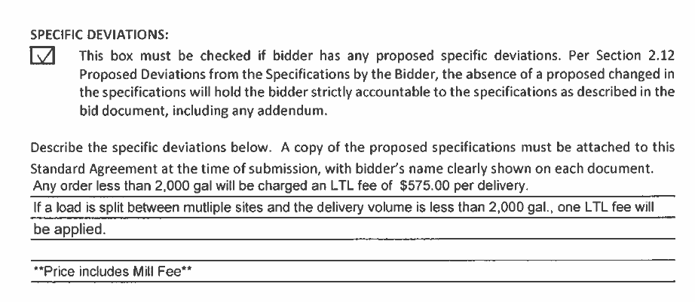
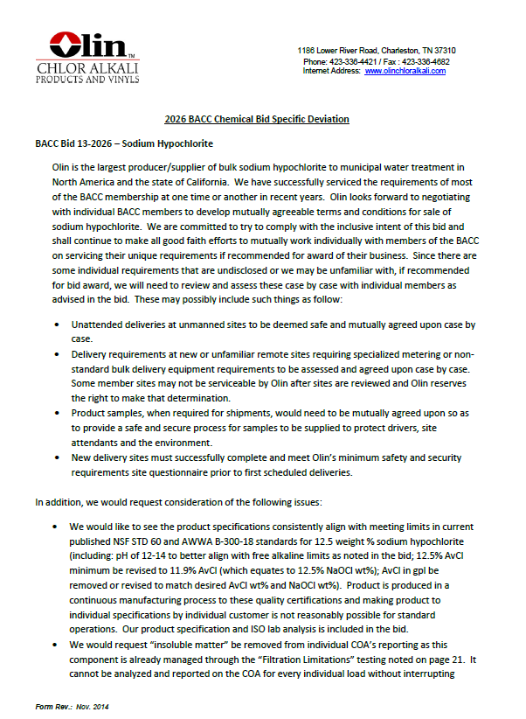
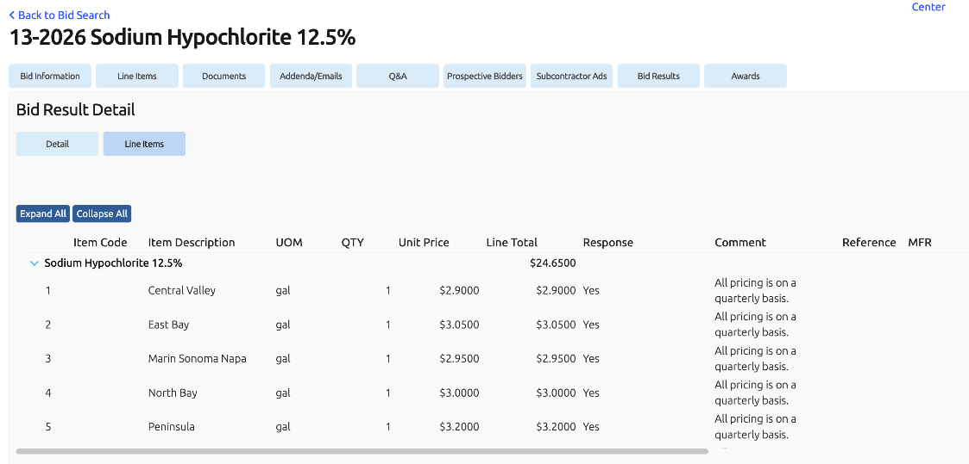

 |  | 15
