Bid Review
Bay Area Clean Water Agencies
Bid Results for Project 01-2026 ALUMINUM SULFATE
Bid Due on February 19, 2025 4:00 PM (PDT)

 | SINGLE BID AWARD | Chemtrade Chemicals, LLC US
Item # | BACC RECOMMENDATION | Lowest Responsive Responsible Bidder
1 | Received via bid platform by bid deadline above | y
2 | Bids submitted on forms provided | y
3 | Must include a base unit price for each geographic area | y
4 | Additional charges for "short load" deliveries shown as a standard deviation on bid form | y - see below
5 | References: minimum of 3 | y
6 | Product Specification Deviations - if any, proposed specification must be attached | none
7 | Fully Executed Standard Agreement | y
8 | Fully Executed Non-Collusion Affidavit | y
9 | For potable application only: Affidavit of Compliance to AWWA and/or NSF standard or Statement by chemical manufacturer, signed on letterhead attesting to the affidavit's validity or current printout from NSF.org | y
10 | Representative lab analysis of the chemical prepared by reputable outside laboratory or ISO Certified | y
11 | Name /Address of chemical manufacturer | ChemTrade & Bay Point
12 | Product Bulletin and Typical Properties | y
13 | Safety Data Sheet (SDS) | y
14 | Addendum/Addenda Acknowledgement | n/a
15 | Third Party Hauler? If applicable, name, address, Affidavit signed by Bidder | Chemical Transfer
16 | Specific Deviations Noted | yes - see below

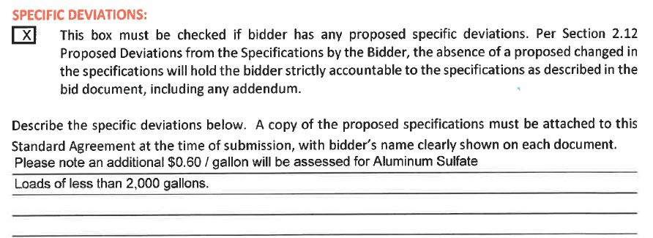
3 & 16

