Bid Review
 | Bay Area Clean Water Agencies
 | Bid Results for Project 13-2025 SODIUM HYPOCHLORITE 12.5%
 | Bid Due on February 20, 2025 4:00 PM (PT)

 | REGIONAL AWARD | Univar | Olin
Item # | BACC RECOMMENDATION | SODIUM HYPOCHLORITE 12.5%: Central Valley, East Bay, Marin Sonoma Napa, North Bay, Peninsula, South Bay, Tri Valley | SODIUM HYPOCHLORITE 12.5%: Sacramento; SODIUM HYPOCHLORITE 5.25% (Optional bid item): Sacramento
1 | Received via bid platform by bid deadline above | y | y
2 | Bids submitted on forms provided | y | y
3 | Must include a base unit price for each geographic area | y | y
4 | Additional charges for "short load" deliveries shown as a standard deviation on bid form | yes - see below | yes - see below and Standard Agreement
5 | References: minimum of 3 | y | y
6 | Product Specification Deviations - if any, proposed specification must be attached
7 | Fully Executed Standard Agreement | y | y
8 | Fully Executed Non-Collusion Affidavit | y | y
9 | For potable application only: Affidavit of Compliance to AWWA and/or NSF standard or Statement by chemical manufacturer, signed on letterhead attesting to the affidavit's validity or current printout from NSF.org | y | y
10 | Representative lab analysis of the chemical prepared by reputable outside laboratory or ISO Certified | K2 Lab COA | Olin - Cert Lab Report
11 | Name /Address of chemical manufacturer | K2-950 & Univar - see below | K2
12 | Product Bulletin and Typical Properties | y | y
13 | Safety Data Sheet (SDS) | y | y
14 | Addendum/Addenda Acknowledgement | n/a | n/a
15 | Third Party Hauler? If applicable, name, address, Affidavit signed by Bidder | yes - see below | no
16 | Specific Deviations Noted | none | yes - see below and Standard Agreement

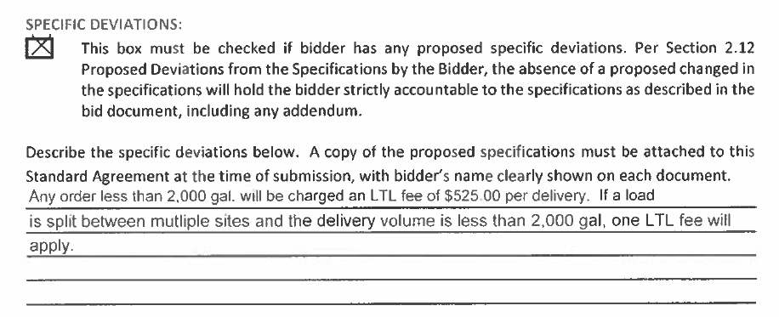
#4 Univar
 |  |  | #4 & 16 Olin - See Standard Agreement pdf
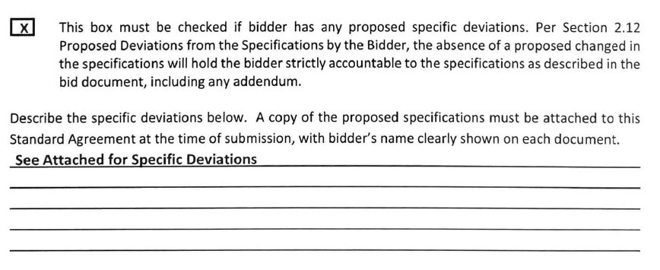

#11 Univar

 |  |  | #11 Olin
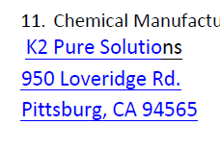

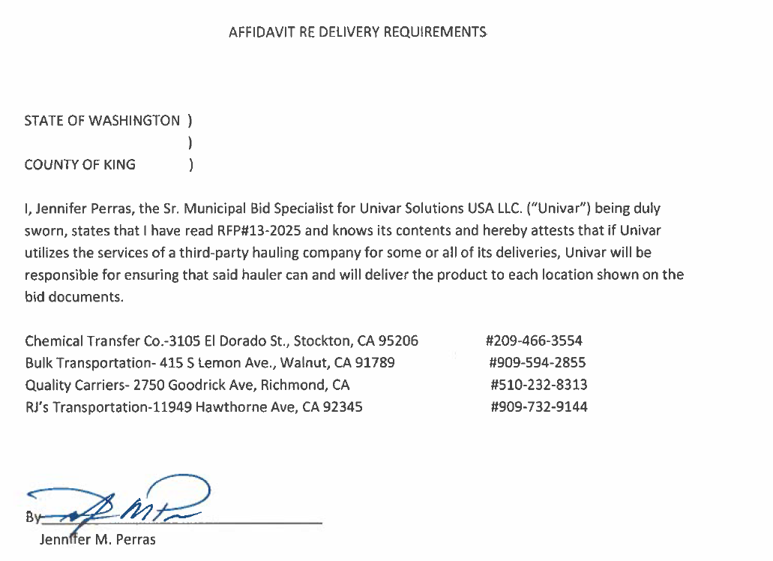
#15 Univar

