Bid Review
 | Bay Area Clean Water Agencies
 | Bid Results for Project 12-2025 SODIUM HYDROXIDE
 | Bid Due on February 20, 2025 4:00 PM (PT)

 | REGIONAL AWARD | Univar | Brenntag
Item # | BACC RECOMMENDATION | SODIUM HYDROXIDE 20% Sacramento; SODIUM HYDROXIDE 25% Penisula, Scramento, Tri Valley; SODIUM HYDROXIDE 30% North Bay, Sacramento; SODIUM HYDROXIDE 50% East Bay, North Bay, Sacramento, Tri Valley | SODIUM HYDROXIDE 20% Marin Sonoma Napa ; SODIUM HYDROXIDE 25% Central Valley, Marin Sonoma Napa, South Bay; SODIUM HYDROXIDE 30% Marin Sonoma Napa; SODIUM HYDROXIDE 50% Central Valley, Marin Sonoma Napa,
1 | Received via bid platform by bid deadline above | y | y
2 | Bids submitted on forms provided | y | y
3 | Must include a base unit price for each geographic area | y | y
4 | Additional charges for "short load" deliveries shown as a standard deviation on bid form | yes | none
5 | References: minimum of 3 | y | y
6 | Product Specification Deviations - if any, proposed specification must be attached | yes - see below and packet | none
7 | Fully Executed Standard Agreement | y | y
8 | Fully Executed Non-Collusion Affidavit | y | y
9 | For potable application only: Affidavit of Compliance to AWWA and/or NSF standard or Statement by chemical manufacturer, signed on letterhead attesting to the affidavit's validity or current printout from NSF.org | y | y
10 | Representative lab analysis of the chemical prepared by reputable outside laboratory or ISO Certified | Certificate of Conformance from Univar lab | COA from Brenntag
11 | Name /Address of chemical manufacturer | K2-950 and Univar, see below | same
12 | Product Bulletin and Typical Properties | y | y
13 | Safety Data Sheet (SDS) | y | y
14 | Addendum/Addenda Acknowledgement | y | y
15 | Third Party Hauler? If applicable, name, address, Affidavit signed by Bidder | yes - see below | n/a
16 | Specific Deviations Noted | yes - see below | n/a

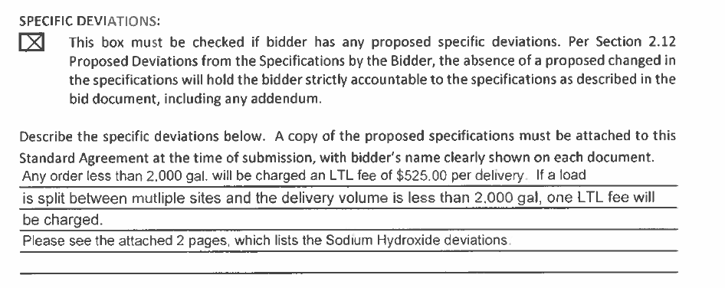
#4 Univar

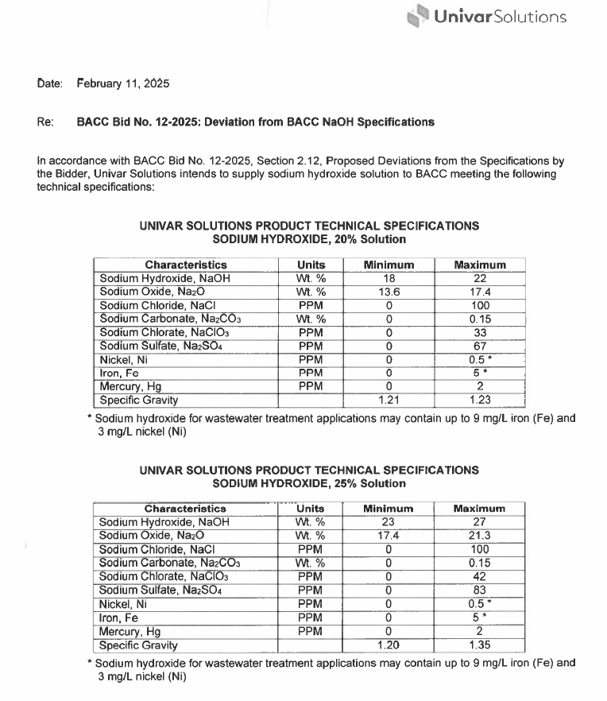
#16 Univar

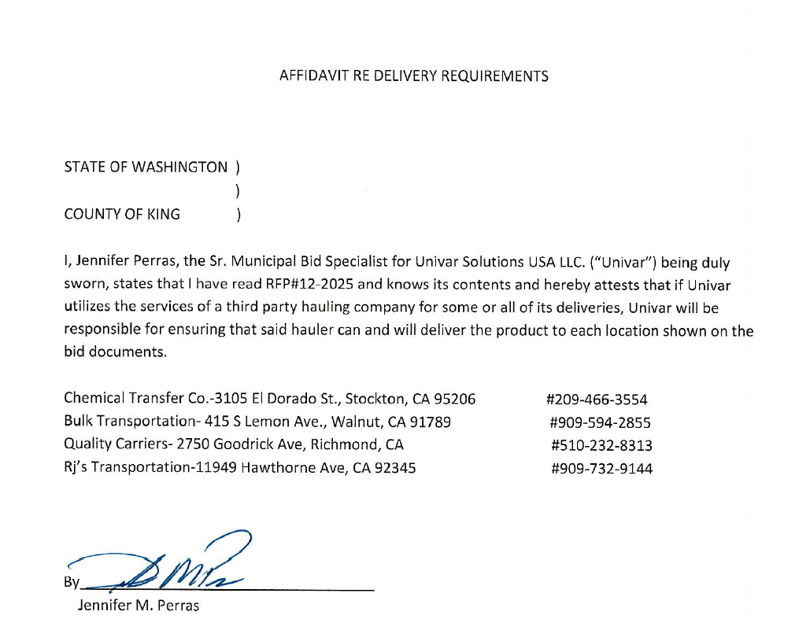
#14 Univar

#11 Univar

 | #11 Univar

