Bid Review
 | Bay Area Clean Water Agencies
 | Bid Results for Project 05-2025 CITRIC ACID
 | Bid Due on February 20, 2025 4:00 PM (PT)

 | SINGLE BID AWARD | Univar Solutions USA LLC. | Pacific Star Chemical as a dba of Northstar Chemical | Brenntag Pacific, Inc. | CHEMRITE, INCORPORATED
Item # | BACC RECOMMENDATION | LOWEST RESPONSIVE RESPONSIBLE BIDDER
1 | Received via bid platform by bid deadline above | y | y | y | y
2 | Bids submitted on forms provided | y | y | y | y
3 | Must include a base unit price for each geographic area | y | y | y | y
4 | Additional charges for "short load" deliveries shown as a standard deviation on bid form | none | none | none | none
5 | References: minimum of 3 | y | y | y | y
6 | Product Specification Deviations - if any, proposed specification must be attached | no | no | no | no
7 | Fully Executed Standard Agreement | y | not signed and no emergency plan provided | y | no emergency plan provided
8 | Fully Executed Non-Collusion Affidavit | y | y | y | y
9 | For potable application only: Affidavit of Compliance to AWWA and/or NSF standard or Statement by chemical manufacturer, signed on letterhead attesting to the affidavit's validity or current printout from NSF.org | y | not provided | y | not provided
10 | Representative lab analysis of the chemical prepared by reputable outside laboratory or ISO Certified | Sucoral COA & Univar COA | not provided | brenntag COA | not provided
11 | Name /Address of chemical manufacturer | Sucroal & Univar | not provided | same | not provided
12 | Product Bulletin and Typical Properties | y | not provided | y | not provided
13 | Safety Data Sheet (SDS) | y | not provided | y | yes
14 | Addendum/Addenda Acknowledgement | yes | no | yes | yes
15 | Third Party Hauler? If applicable, name, address, Affidavit signed by Bidder | yes - see below | not provided | no | not provided
16 | Specific Deviations Noted | none | none | none | none

 | NOTES:

#11 Univar

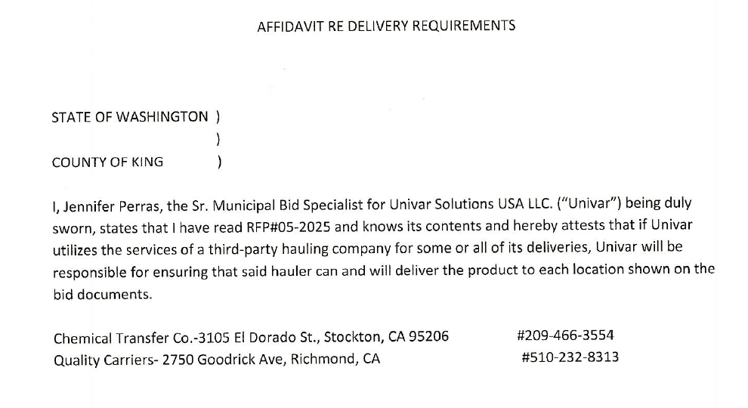
#15

