Bid Review
Bay Area Clean Water Agencies
Bid Results for Project 14-2024 Sulfuric Acid
Issued on 01/25/2024
Bid Due on February 22, 2024 4:00 PM (PST)
Exported on 02/22/2024
 |  | Pacific Star Chemical as a dba of Northstar Chemical | Univar Solutions USA LLC. | Chemtrade Chemicals, LLC US
Item # | BACC RECOMMENDATION | Lowest responsive responsible bidder
1 | Received in sealed envelope by bid deadline above | y | y | y
2 | Bids submitted on forms provided | y | y | y
3 | In non-erasable permanent ink | y | y | y
4 | Must include a base unit price for each geographic area | y | y | y
5 | Additional charges for "short load" deliveries shown as a standard deviation on bid form | n | yes - see below | n
6 | References: minimum of 3 | y | y | y
7 | Product Specification Deviations - if any, proposed specification must be attached | n | n/a | n
8 | Fully Executed Standard Agreement | y | y | y
9 | Fully Executed Non-Collusion Affidavit | y | y | y
10 | For potable application only: Affidavit of Compliance to AWWA and/or NSF standard or Statement by chemical manufacturer, signed on letterhead attesting to the affidavit's validity or current printout from NSF.org | y | y | y
11 | Representative lab analysis of the chemical prepared by reputable outside laboratory or ISO Certified | y | y | y
12 | Name /Address of chemical manufacturer | same | ChemTrade | Same
13 | Product Bulletin and Typical Properties | y | y | y
14 | Safety Data Sheet (SDS) | y | y | y
15 | Addendum/Addenda Acknowledgement | n/a | n/a | n/a
16 | Third Party Hauler? If applicable, name, address, Affidavit signed by Bidder | n | n | n
17 | Specific Deviations Noted | n | n | n

 | #5 Univar
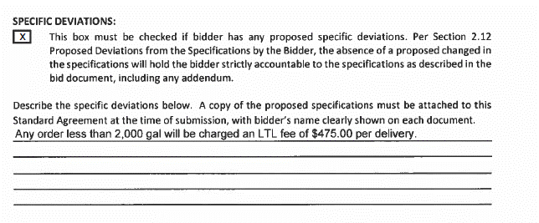

 | #12 Univar

