Bid Review
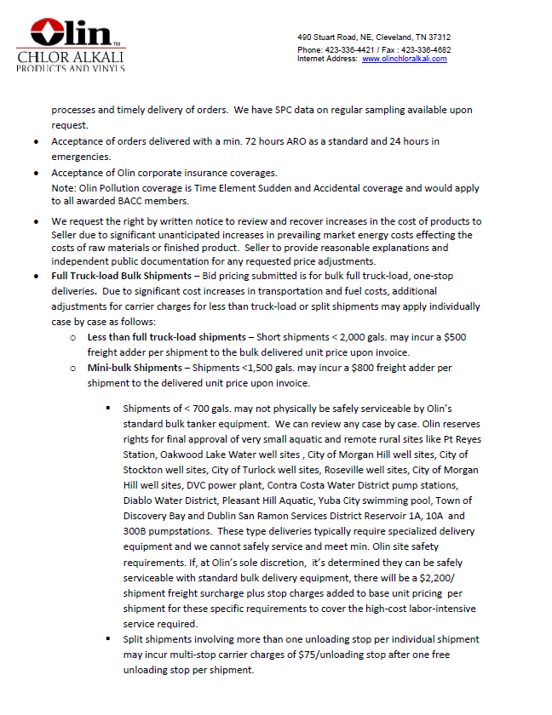
 | Bay Area Clean Water Agencies
 | Bid Results for Project 13-2024 SODIUM HYPOCHLORITE 12.5%
 | Bid Due on February 22, 2024 4:00 PM (PT)
 | Addendum Issued: one
 | REGIONAL AWARD | Univar | Olin
Item # | BACC RECOMMENDATION | SODIUM HYPOCHLORITE 12.5% for Central Valley, East Bay, Marin Sonoma Napa, North Bay, Peninsula, South Bay, Tri Valley regions. | SODIUM HYPOCHLORITE 12.5% for Sacramento region, SODIUM HYPOCHLORITE 5.25% (Optional bid item) for Sacramento region
1 | Received via bid platform by bid deadline above | y | y
2 | Bids submitted on forms provided | y | y
3 | Must include a base unit price for each geographic area | y | y
4 | Additional charges for "short load" deliveries shown as a standard deviation on bid form | Yes - see below | Yes - see below
5 | References: minimum of 3 | y | y
6 | Product Specification Deviations - if any, proposed specification must be attached | no | Yes - see below
7 | Fully Executed Standard Agreement | y | y
8 | Fully Executed Non-Collusion Affidavit | y | y
9 | For potable application only: Affidavit of Compliance to AWWA and/or NSF standard or Statement by chemical manufacturer, signed on letterhead attesting to the affidavit's validity or current printout from NSF.org | y | y
10 | Representative lab analysis of the chemical prepared by reputable outside laboratory or ISO Certified | y | y
11 | Name /Address of chemical manufacturer | Univar and K2 Pure Solutions | K2 Pure Solutions
12 | Product Bulletin and Typical Properties | n | y
13 | Safety Data Sheet (SDS) | y | y
14 | Addendum/Addenda Acknowledgement | n/a | n/a
15 | Third Party Hauler? If applicable, name, address, Affidavit signed by Bidder | Yes - see below | Yes - see below
16 | Specific Deviations Noted | Yes - see below | Yes - see below

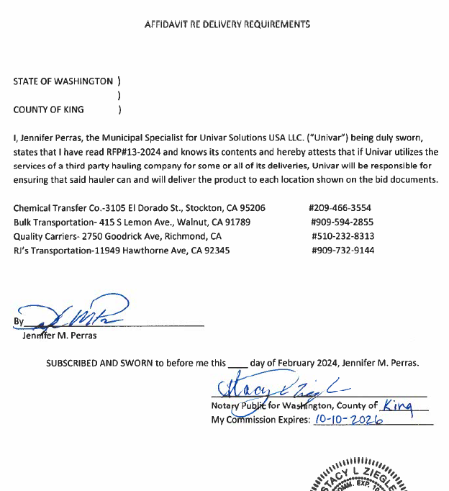
 | #15 Univar
 |  |  | #11 Olin

 |  |  | #15 Olin
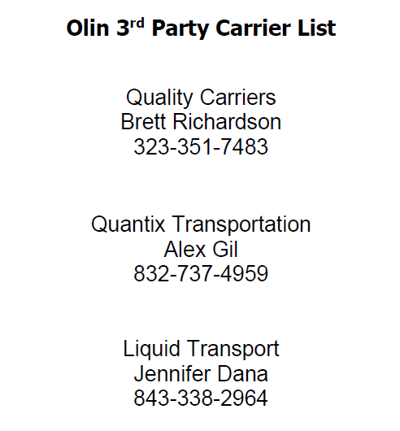

 |  |  | #4, 6, 16 Olin - 2 pages

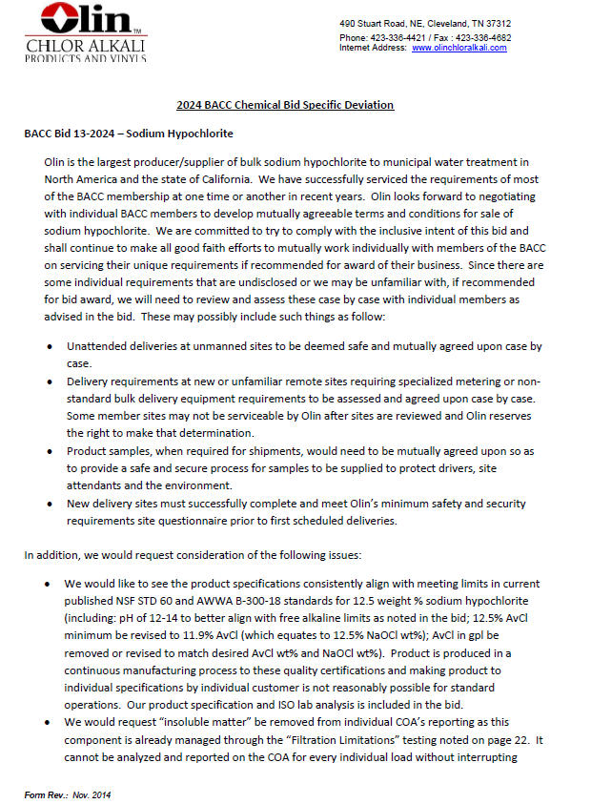

 | #4 & 15 Univar
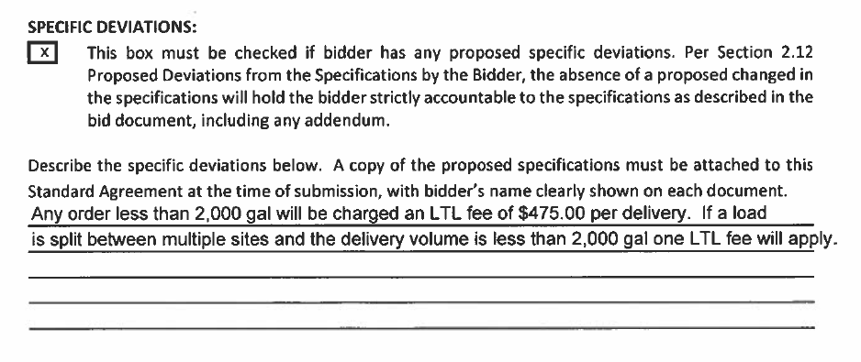

 | #11 Univar

