Bid Review
 | Bay Area Clean Water Agencies
 | Bid Results for Project 12-2024 SODIUM HYDROXIDE
 | Bid Due on February 22, 2024 4:00 PM (PT)
 | Number of Addendum Issued: One (1)

 | REGIONAL AWARD | Univar | Brenntag
Item # | BACC RECOMMENDATION | Sodium Hydroxide 20% Sacramento; Sodium Hydroxide 25% Sacramento, Central Valley; Sodium Hydroxide 30% North Bay, Sacramento; Sodium Hydroxide 50% Central Valley, East Bay, North Bay, Sacramento | Sodium Hydroxide 20% Marin Sonoma Napa; Sodium Hydroxide 25% Marin Sonoma Napa,Peninsula, South Bay, Tri Valley; Sodium Hydroxide 30% Marin Sonoma Napa, South Bay; Sodium Hydroxide 50% Marin Sonoma Napa, Tri Valley
1 | Received via bid platform by bid deadline above | y | y
2 | Bids submitted on forms provided | y | y
3 | Must include a base unit price for each geographic area | y | y
4 | Additional charges for "short load" deliveries shown as a standard deviation on bid form | yes - see below | n
5 | References: minimum of 3 | y | y
6 | Product Specification Deviations - if any, proposed specification must be attached | yes - see below | n
7 | Fully Executed Standard Agreement | y | y
8 | Fully Executed Non-Collusion Affidavit | y | y
9 | For potable application only: Affidavit of Compliance to AWWA and/or NSF standard or Statement by chemical manufacturer, signed on letterhead attesting to the affidavit's validity or current printout from NSF.org | y | y
10 | Representative lab analysis of the chemical prepared by reputable outside laboratory or ISO Certified | y | y
11 | Name /Address of chemical manufacturer | K2 950 and Univar - see below | Same
12 | Product Bulletin and Typical Properties | y | y
13 | Safety Data Sheet (SDS) | y | y
14 | Addendum/Addenda Acknowledgement | no | y
15 | Third Party Hauler? If applicable, name, address, Affidavit signed by Bidder | y | n
16 | Specific Deviations Noted | yes - see below | n

 | #4, 6 & 16 Univar

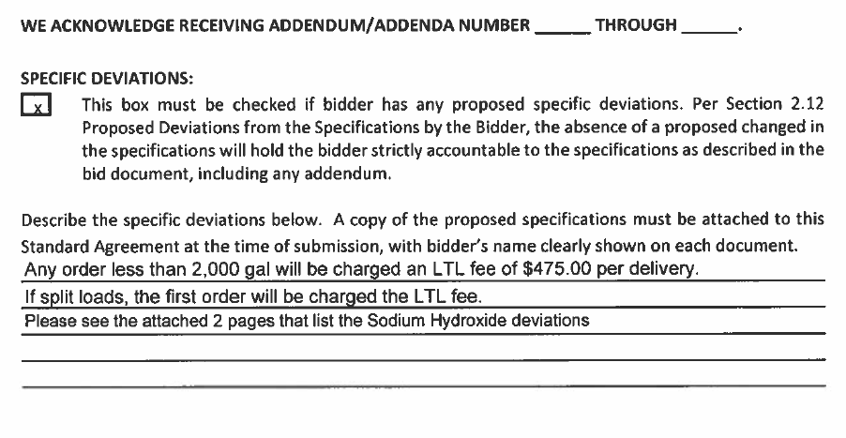

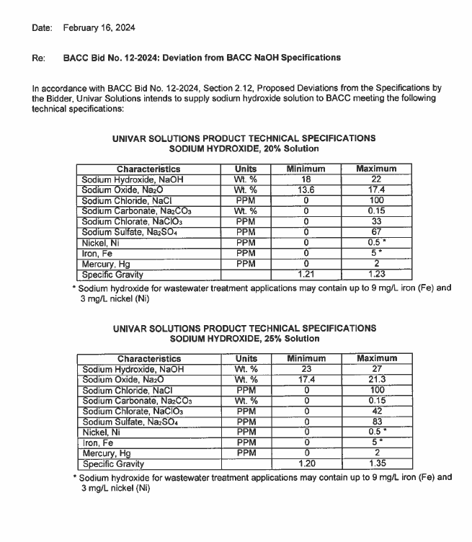

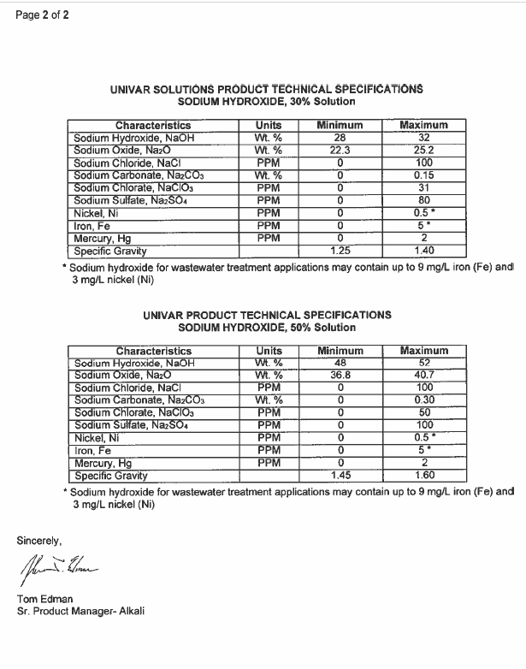

 | #11 Univar

