Bid Review
 | Bay Area Clean Water Agencies
 | Bid Results for Project 10-2024 LIQUID CHLORINE
 | Bid Due on February 22, 2024 4:00 PM (PT)
 | Addendum Issue: None
 | SINGLE BID AWARD
 |  | Thatcher Company of California, Inc.
Item # | BACC RECOMMENDATION | Lowest Responsive Responsible Bidder
1 | Received via bid platform by bid deadline above | x
2 | Bids submitted on forms provided | x
3 | Must include a base unit price for each geographic area | x
4 | Additional charges for "short load" deliveries shown as a standard deviation on bid form | n
5 | References: minimum of 3 | x
6 | Product Specification Deviations - if any, proposed specification must be attached | n
7 | Fully Executed Standard Agreement | x
8 | Fully Executed Non-Collusion Affidavit | x
9 | For potable application only: Affidavit of Compliance to AWWA and/or NSF standard or Statement by chemical manufacturer, signed on letterhead attesting to the affidavit's validity or current printout from NSF.org | x
10 | Representative lab analysis of the chemical prepared by reputable outside laboratory or ISO Certified | x
11 | Name /Address of chemical manufacturer | ChemTrade (see below)
12 | Product Bulletin and Typical Properties | x
13 | Safety Data Sheet (SDS) | x
14 | Addendum/Addenda Acknowledgement | N/A
15 | Third Party Hauler? If applicable, name, address, Affidavit signed by Bidder | n
16 | Specific Deviations Noted | NOT NOTED ON STANDARD AGREEMENT AS REQUIRED, BUT NOTED ON EXHIBIT "A" OF BID FORM: ADDITION TO TERMS AND CONDITIONS SECTION 4.1 INDEMNIFICATION (SEE SCREENSHOT BELOW)

11

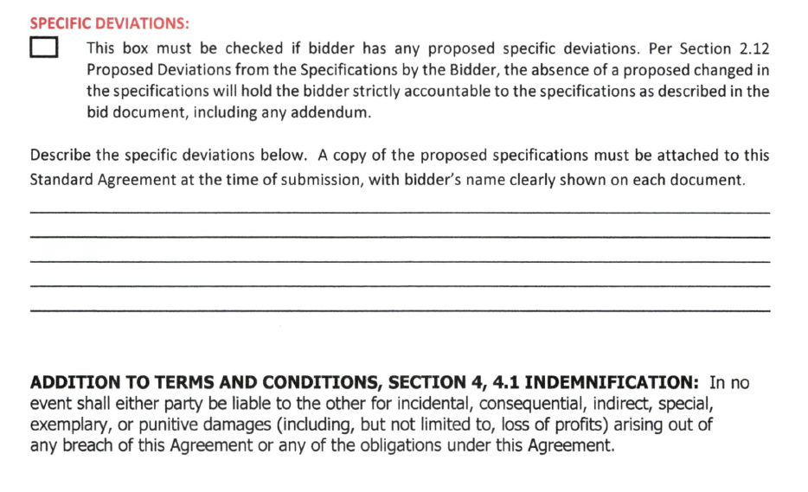

16

