Bid Review
 | Bay Area Clean Water Agencies
 | Bid Results for 08-2024 HYDROFLUSILICIC ACID
 | Bid Due on February 22, 2024 4 pm
 | Addedum Issued: NONE
 | SINGLE BID AWARD
 |  | Thatcher | Pencco
Item # | BACC RECOMMENDATION | Lowest Responsive Responsible Bidder
1 | Received by bid deadline above | y | y
2 | Bids submitted on forms provided | y | y
3 | Must include a base unit price for each geographic area | y | y
4 | Additional charges for "short load" deliveries shown as a standard deviation on bid form | n | n
5 | References: minimum of 3 | y | y
6 | Product Specification Deviations - if any, proposed specification must be attached | n | n
7 | Fully Executed Standard Agreement | y | y
8 | Fully Executed Non-Collusion Affidavit | y | y
9 | For potable application only: Affidavit of Compliance to AWWA and/or NSF standard or Statement by chemical manufacturer, signed on letterhead attesting to the affidavit's validity or current printout from NSF.org | y | y
10 | Representative lab analysis of the chemical prepared by reputable outside laboratory or ISO Certified | Yes -March 2021 | Yes - from January 2023
11 | Name /Address of chemical manufacturer | See below | See below
12 | Product Bulletin and Typical Properties | y | y
13 | Safety Data Sheet (SDS) | y | y
14 | Addendum/Addenda Acknowledgement | n/a | n/a
15 | Third Party Hauler? If applicable, name, address, Affidavit signed by Bidder | n | n
16 | Specific Deviations Noted | NOT NOTED ON STANDARD AGREEMENT AS REQUIRED, BUT NOTED ON EXHIBIT "A" OF BID FORM: ADDITION TO TERMS AND CONDITIONS SECTION 4.1 INDEMNIFICATION (SEE SCREENSHOT BELOW) | n

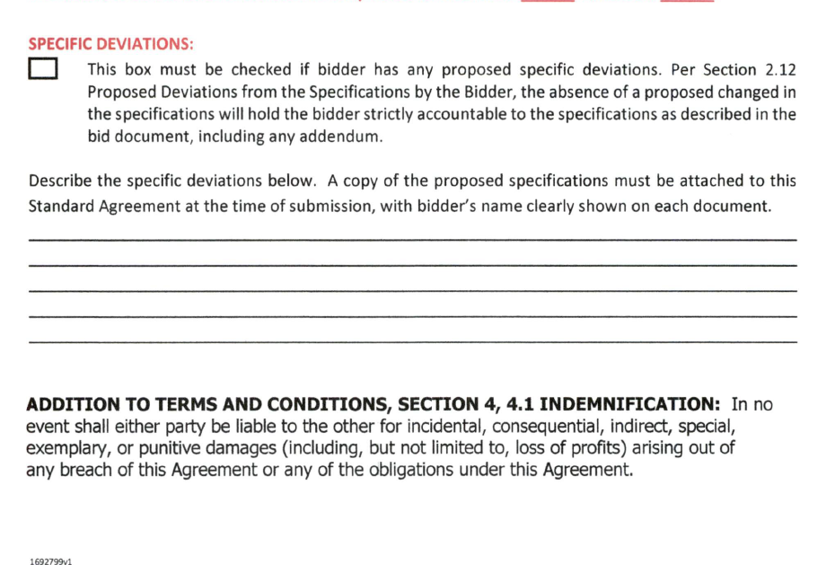
16

 |  |  | 11

11

