Bid Review
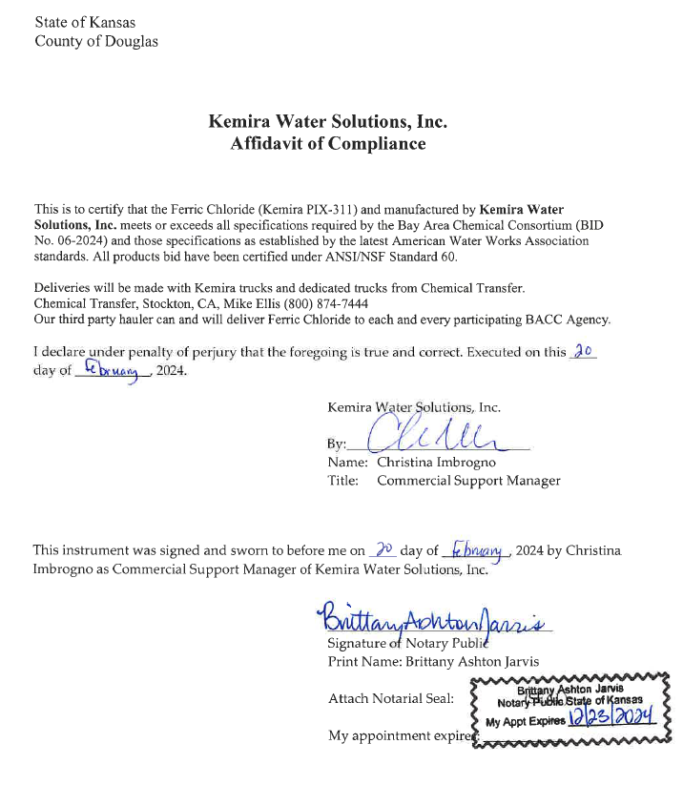
 | Bay Area Clean Water Agencies
 | Bid Results for Project 06-2024 FERRIC CHLORIDE
 | Bid Due on February 22, 2024 4:00 PM (PT)

 | SINGLE BID AWARD | Kemira Water Solutions, Inc | Pencco, Inc
Item # | BACC RECOMMENDATION | Lowest responsive responsible bidder
1 | Received via bid platform by bid deadline above | y | y
2 | Bids submitted on forms provided | y | y
3 | Must include a base unit price for each geographic area | y | y
4 | Additional charges for "short load" deliveries shown as a standard deviation on bid form | n | n
5 | References: minimum of 3 | y | y
6 | Product Specification Deviations - if any, proposed specification must be attached | n | n
7 | Fully Executed Standard Agreement | y | y
8 | Fully Executed Non-Collusion Affidavit | y | y
9 | For potable application only: Affidavit of Compliance to AWWA and/or NSF standard or Statement by chemical manufacturer, signed on letterhead attesting to the affidavit's validity or current printout from NSF.org | y | y
10 | Representative lab analysis of the chemical prepared by reputable outside laboratory or ISO Certified | y | y
11 | Name /Address of chemical manufacturer | n | n
12 | Product Bulletin and Typical Properties | y | y
13 | Safety Data Sheet (SDS) | y | y
14 | Addendum/Addenda Acknowledgement | n/a | n/a
15 | Third Party Hauler? If applicable, name, address, Affidavit signed by Bidder | Chemical Transfer - see below | n
16 | Specific Deviations Noted | n | n

 | #15 Kemira

