Bid Review
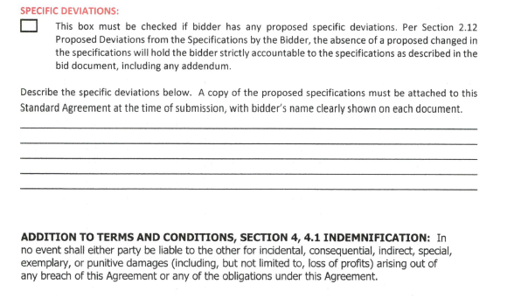
Bay Area Clean Water Agencies
Bid Results for Project 01-2024 ALUMINUM SULFATE
Bid Due on February 22, 2024 4:00 PM (PDT)

 | SINGLE BID AWARD | Chemtrade Chemicals, LLC US | Thatcher Company of California, Inc.
Item # | BACC RECOMMENDATION | Lowest responsive responsible bidder
1 | Received via bid platform by bid deadline above | y | y
2 | Bids submitted on forms provided | y | y
3 | Must include a base unit price for each geographic area | y | y
4 | Additional charges for "short load" deliveries shown as a standard deviation on bid form | y - see below | n
5 | References: minimum of 3 | y | y
6 | Product Specification Deviations - if any, proposed specification must be attached | n | n
7 | Fully Executed Standard Agreement | y | y
8 | Fully Executed Non-Collusion Affidavit | y | n
9 | For potable application only: Affidavit of Compliance to AWWA and/or NSF standard or Statement by chemical manufacturer, signed on letterhead attesting to the affidavit's validity or current printout from NSF.org | y | y
10 | Representative lab analysis of the chemical prepared by reputable outside laboratory or ISO Certified | y | y
11 | Name /Address of chemical manufacturer | n | n
12 | Product Bulletin and Typical Properties | y | y
13 | Safety Data Sheet (SDS) | y | y
14 | Addendum/Addenda Acknowledgement | y | y
15 | Third Party Hauler? If applicable, name, address, Affidavit signed by Bidder | n | n
16 | Specific Deviations Noted | y -See below | y - See below

 | #4 & 16 ChemTrade

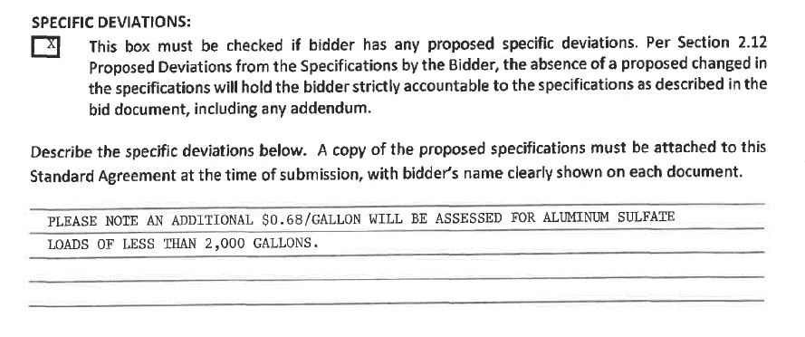
 |  |  | #16 ChemTrade

