Bid Review
 | Bay Area Clean Water Agencies
 | Bid Results for Project 13-2023 SODIUM HYPOCHLORITE 12.5%
 | Bid Due on February 23, 2023 4:00 PM (PT)
 | Addendum Issued: one
 | REGIONAL AWARD | Olin Corporation | Hasa, Inc. | Univar Solutions USA Inc.
Item # | BACC RECOMMENDATION | SODIUM HYPOCHLORITE 12.5% for Sacramento region, SODIUM HYPOCHLORITE 5.25% (Optional bid item) for Sacramento region | SODIUM HYPOCHLORITE 12.5% for Central Valley, East Bay, Marin Sonoma Napa, North Bay, Peninsula, South Bay, Tri Valley regions. SODIUM HYPOCHLORITE 12.5% In 275-gal totes (Optional bid item) for North Bay. Sodium Hypochlorite 12.5% In Drums (OPTIONAL BID ITEM) for North Bay.
1 | Received via bid platform by bid deadline above | y | y | y
2 | Bids submitted on forms provided | y | y | y
3 | Must include a base unit price for each geographic area | y | y | y
4 | Additional charges for "short load" deliveries shown as a standard deviation on bid form | y - see below | n | y-see below
5 | References: minimum of 3 | y | y | y
6 | Product Specification Deviations - if any, proposed specification must be attached | y - see below | n | n
7 | Fully Executed Standard Agreement | y | y | y
8 | Fully Executed Non-Collusion Affidavit | y | y | y
9 | For potable application only: Affidavit of Compliance to AWWA and/or NSF standard or Statement by chemical manufacturer, signed on letterhead attesting to the affidavit's validity or current printout from NSF.org | y | n | y
10 | Representative lab analysis of the chemical prepared by reputable outside laboratory or ISO Certified | y | y | y
11 | Name /Address of chemical manufacturer | K2 Pure Solutions, CA | same | K2 and Univar
12 | Product Bulletin and Typical Properties | y | y | y
13 | Safety Data Sheet (SDS) | y | y | y
14 | Addendum/Addenda Acknowledgement | y | y | y
15 | Third Party Hauler? If applicable, name, address, Affidavit signed by Bidder | n | n | y
16 | Specific Deviations Noted | y - see below | y - see below | y-see below

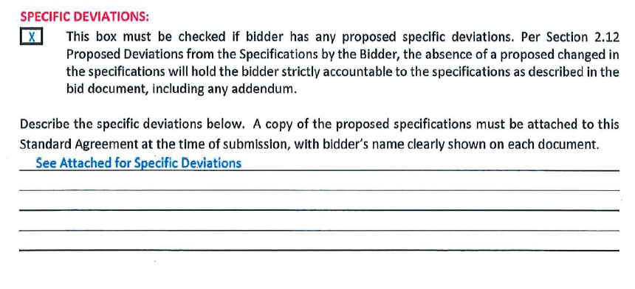
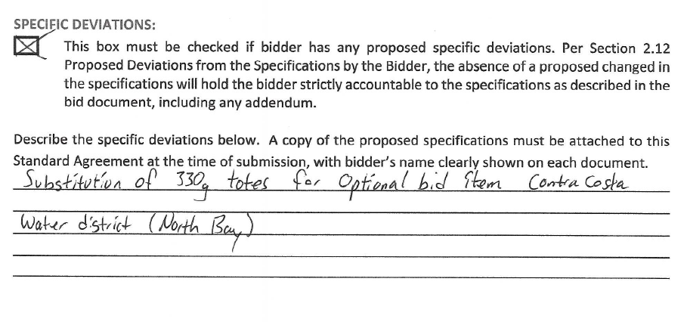
#4,6,16 |  |  | #16 HASA
Olin

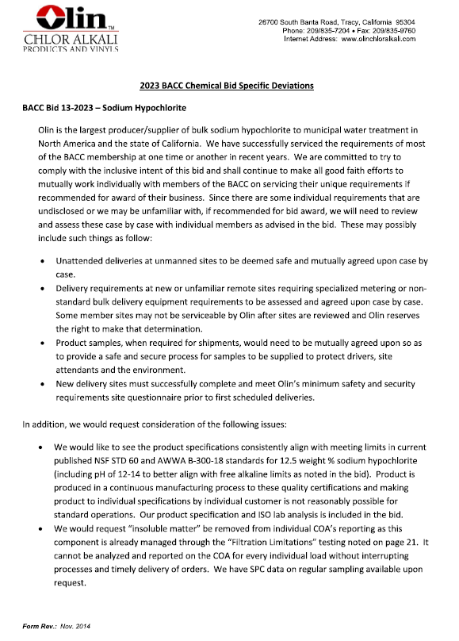

 |  |  | #16 Univar

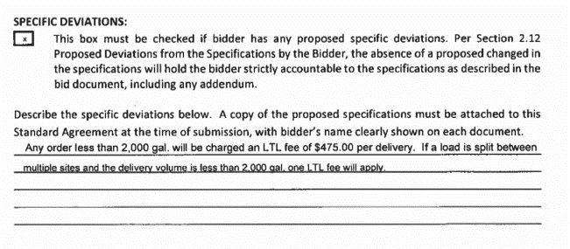

 |  |  | #15 Univar
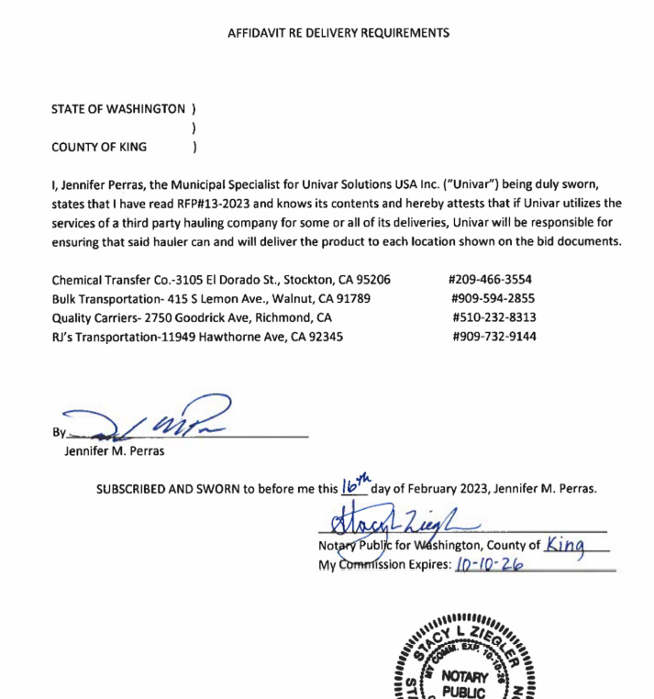

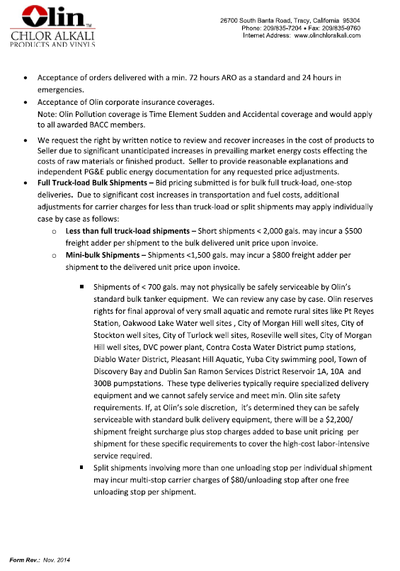

#11

