Bid Review
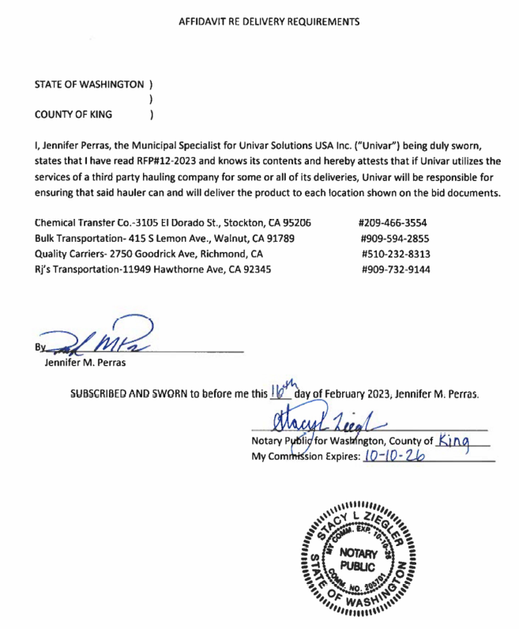
 | Bay Area Clean Water Agencies
 | Bid Results for Project 12-2023 SODIUM HYDROXIDE
 | Bid Due on February 23, 2023 4:00 PM (PT)
 | Number of Addendum Issued: One (1)

 | REGIONAL AWARD | Brenntag | Univar | Olin | JCI Jones
Item # | BACC RECOMMENDATION | Lowest responsive responsible bidder: Central Valley | Lowest responsive responsible bidder: East Bay, Marin Sonoma Napa, Sacramento, South Bay, North Bay, Tri Valley | no bid | no bid
1 | Received via bid platform by bid deadline above | y | y
2 | Bids submitted on forms provided | y | y
3 | Must include a base unit price for each geographic area | y | y
4 | Additional charges for "short load" deliveries shown as a standard deviation on bid form |  | y - see below
5 | References: minimum of 3 | y | y
6 | Product Specification Deviations - if any, proposed specification must be attached |  | y - see below
7 | Fully Executed Standard Agreement | y | y
8 | Fully Executed Non-Collusion Affidavit | y | y
9 | For potable application only: Affidavit of Compliance to AWWA and/or NSF standard or Statement by chemical manufacturer, signed on letterhead attesting to the affidavit's validity or current printout from NSF.org | y | n
10 | Representative lab analysis of the chemical prepared by reputable outside laboratory or ISO Certified | y | n
11 | Name /Address of chemical manufacturer | same | Univar and K2, CA
12 | Product Bulletin and Typical Properties | y | n
13 | Safety Data Sheet (SDS) | y | n
14 | Addendum/Addenda Acknowledgement | y | y
15 | Third Party Hauler? If applicable, name, address, Affidavit signed by Bidder | n/a | y - see below
16 | Specific Deviations Noted | n | y - see below

 |  |  | #4 & 16
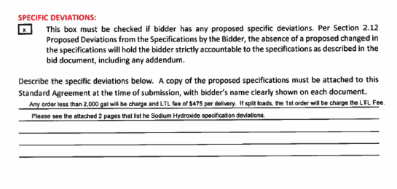

 |  |  | #6

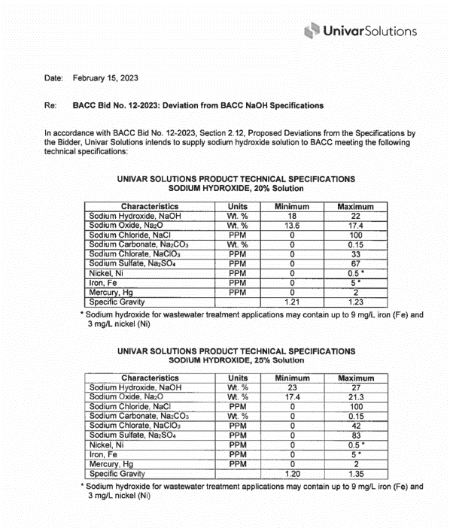

 |  |  |  |  |  | #4 & 16 Olin

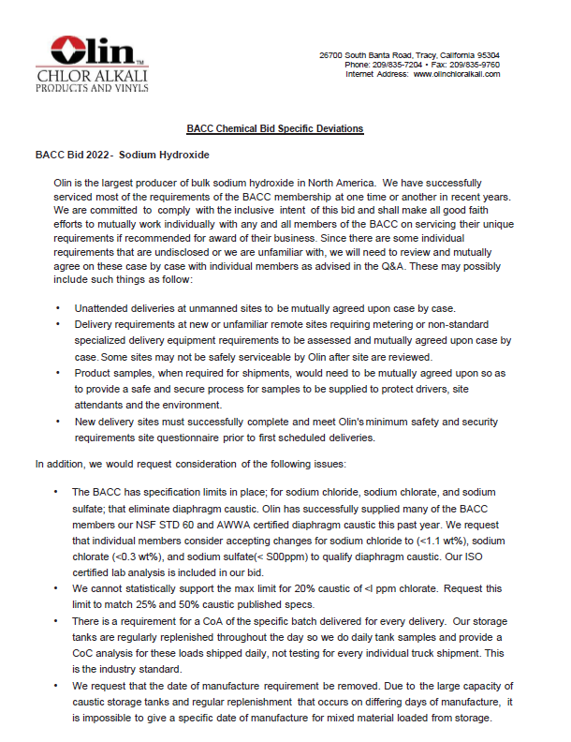

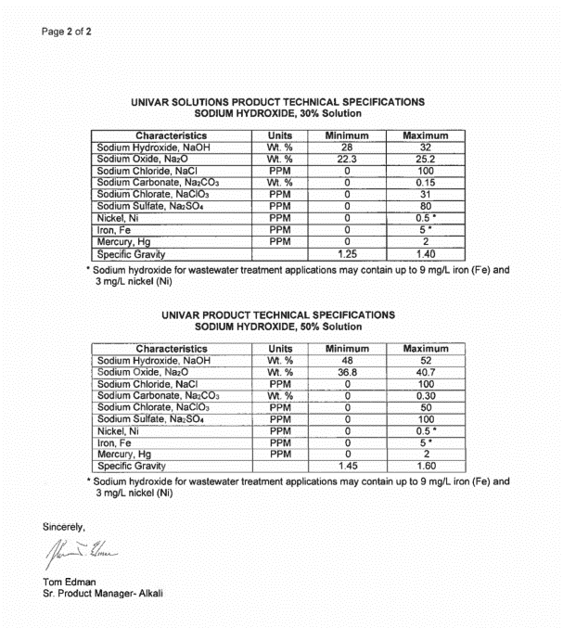

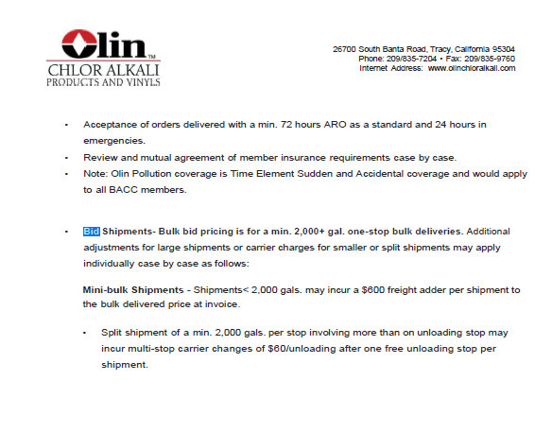
 |  |  | #15

