Bid Review
 | Bay Area Clean Water Agencies
 | Bid Results for Project 11-2023 SODIUM BISULFITE
 | Bid Due on February 23, 2023 4:00 PM (PDT)
 | Addendum issued - none
 | SINGLE BID AWARD | Univar Solutions USA Inc.
Item # | BACC RECOMMENDATION | SOLE BIDDER
1 | Received via bid platform by bid deadline above | Y
2 | Bids submitted on forms provided | Y
3 | Must include a base unit price for each geographic area | Y
4 | Additional charges for "short load" deliveries shown as a standard deviation on bid form | YES - LTL FEE $475 FOR ORDER <2000 GALS
5 | References: minimum of 3 | Y
6 | Product Specification Deviations - if any, proposed specification must be attached | NO
7 | Fully Executed Standard Agreement | Y
8 | Fully Executed Non-Collusion Affidavit | Y
9 | For potable application only: Affidavit of Compliance to AWWA and/or NSF standard or Statement by chemical manufacturer, signed on letterhead attesting to the affidavit's validity or current printout from NSF.org | Y
10 | Representative lab analysis of the chemical prepared by reputable outside laboratory or ISO Certified | y
11 | Name /Address of chemical manufacturer | same
12 | Product Bulletin and Typical Properties | Y
13 | Safety Data Sheet (SDS) | Y
14 | Addendum/Addenda Acknowledgement | N/a
15 | Third Party Hauler? If applicable, name, address, Affidavit signed by Bidder | YES - SEE BELOW
16 | Specific Deviations Noted | YES - LTL FEE $475 FOR ORDER <2000 GALS; See below

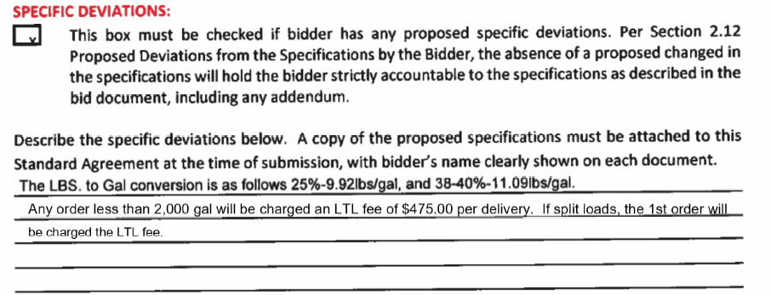
4&16

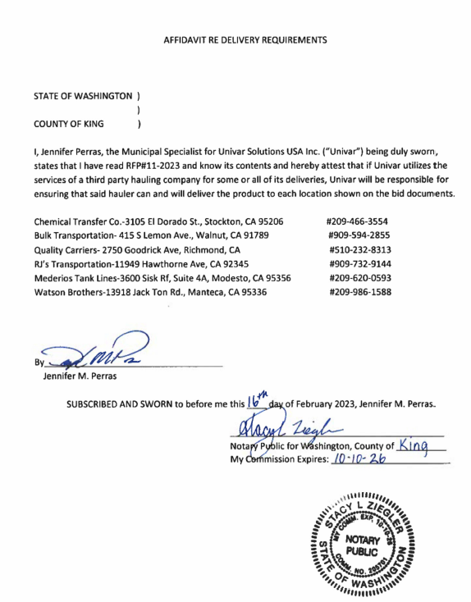
#15

