Bid Review
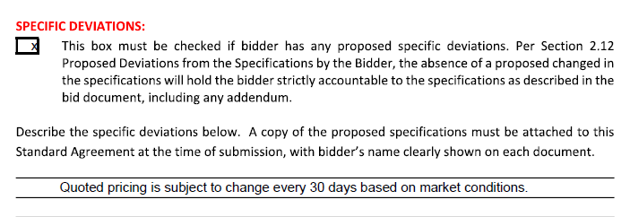
 | Bay Area Clean Water Agencies
 | Bid Results for Project 03-2023 AQUEOUS AMMONIA
 | Bid Due on February 23, 2023 4:00 PM (PT)
 | Addendum Issued: NONE
 | REGIONAL AWARD | KAAM | Hill Brothers Chemical Co. | Univar
Item # | BACC RECOMMENDATION | Irregular bid – disqualified due to specific deviation | Recommended for: 19% Central Valley, East Bay, North Bay, South Bay, Tri Valley; 29% Sacramento; 30% Marin Sonoma Napa | no bid
1 | Received via bid platform by bid deadline above | y | y
2 | Bids submitted on forms provided | y | y
3 | Must include a base unit price for each geographic area | y | y
4 | Additional charges for "short load" deliveries shown as a standard deviation on bid form |  | y
5 | References: minimum of 3 | y | y
6 | Product Specification Deviations - if any, proposed specification must be attached | n | n
7 | Fully Executed Standard Agreement | y | y
8 | Fully Executed Non-Collusion Affidavit | n | y
9 | For potable application only: Affidavit of Compliance to AWWA and/or NSF standard or Statement by chemical manufacturer, signed on letterhead attesting to the affidavit's validity or current printout from NSF.org | n | y
10 | Representative lab analysis of the chemical prepared by reputable outside laboratory or ISO Certified | Airgas Cert of Analysis, not signed | y
11 | Name /Address of chemical manufacturer | Airgas Speciality Products, Hanford CA | Hill Brothers
12 | Product Bulletin and Typical Properties | n | y
13 | Safety Data Sheet (SDS) | y | y
14 | Addendum/Addenda Acknowledgement | n/a | n/a
15 | Third Party Hauler? If applicable, name, address, Affidavit signed by Bidder | n | n/a
16 | Specific Deviations Noted | "Quoted pricing is subject to change every 30 days based on market conditions" | n

 | #16

